Sheet2
S.NO | Issues description | Status | DevStatus | Status | Remarks | Status
1 | Section 2 of SMI is selected, but the user has not chosen any items for it and clicked the 'Continue' button. The system accepts this, but selecting at both SMI for Section 2 is mandatory. | open | Fixed | Reopen |  | Fixed
2 | The rate for Material damage and TP cover should be mandatory. | open | Fixed | Reopen | Currently system asks Effective rate for basic cover , material damage only, not for tp | Fixed
3 | System is allowing the calculation with 0 Premium. | open | Fixed | Fixed |  | Fixed
4 | While entering the value in TPBI column system is displaying analert message as"Value was either too large or too small for an Int32.Couldn't store <45654654654> in TPBIPer Column. Expected type is Int32." | open | Fixed | Reopen | 1. TBPI colum field limit not set . 2. If this error occurs, Tp liability description hide in basic cover details. | Fixed | 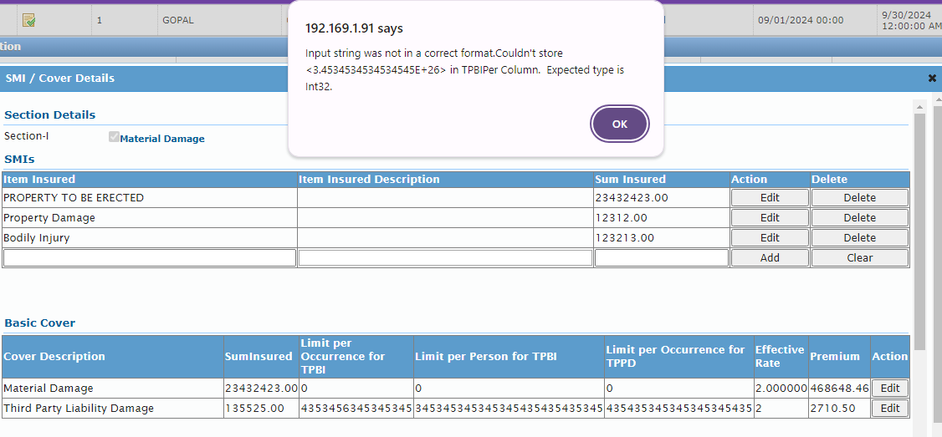
5 | Approval for below/above rate is not triggering. | open | Fixed | Reopen | I enter all the rate percentage is 0.1 , Approval for below/above rate is not triggering. | Reopen
6 | while click rfq close btn (error identified ). | ignore | Fixed | ignore |  | ignore
7 | smi / cover details Cover Deductibles - tp not showing. | open | Fixed | fixed |  | fixed
8 | Kindly make the deductable length as we can enter a long description amd system shows error. | open | Fixed | fixed | System accepts long description, but the edit btn hide from the screen. | fixed
9 | Contract details add duplicate list. |  |  | open |  | open
10 | Section 1 SMI record not selected but I add the rate percentage and click submit btn, system prompts calculate premium , instead of Enter Atleast One SMI record. |  |  | Open | Please select any one cover in SMI section 1 . | Open
11 | Print Schedule / download invoice / download quote ( 500 server error ) |  |  | Open |  | Open
12 | 1. Select Third party yes 2. add property damage/Bodily injured. 3. Add Tp records in Policy Deductibles . Then deselect the TP liablity section II , Tp against records not removed. |  |  | Open |  | Open
13 | 1. Select Third party yes 2. property damage/Bodily injured > enter sum insured and add the record. 3. Add Tp records in Policy Deductibles . 4. Then change the ( damage/Bodily injured ) sum insured, Policy deductibles amount not updated. |  |  | Open |  | Open

